Sheet1
1 | Fee Charge
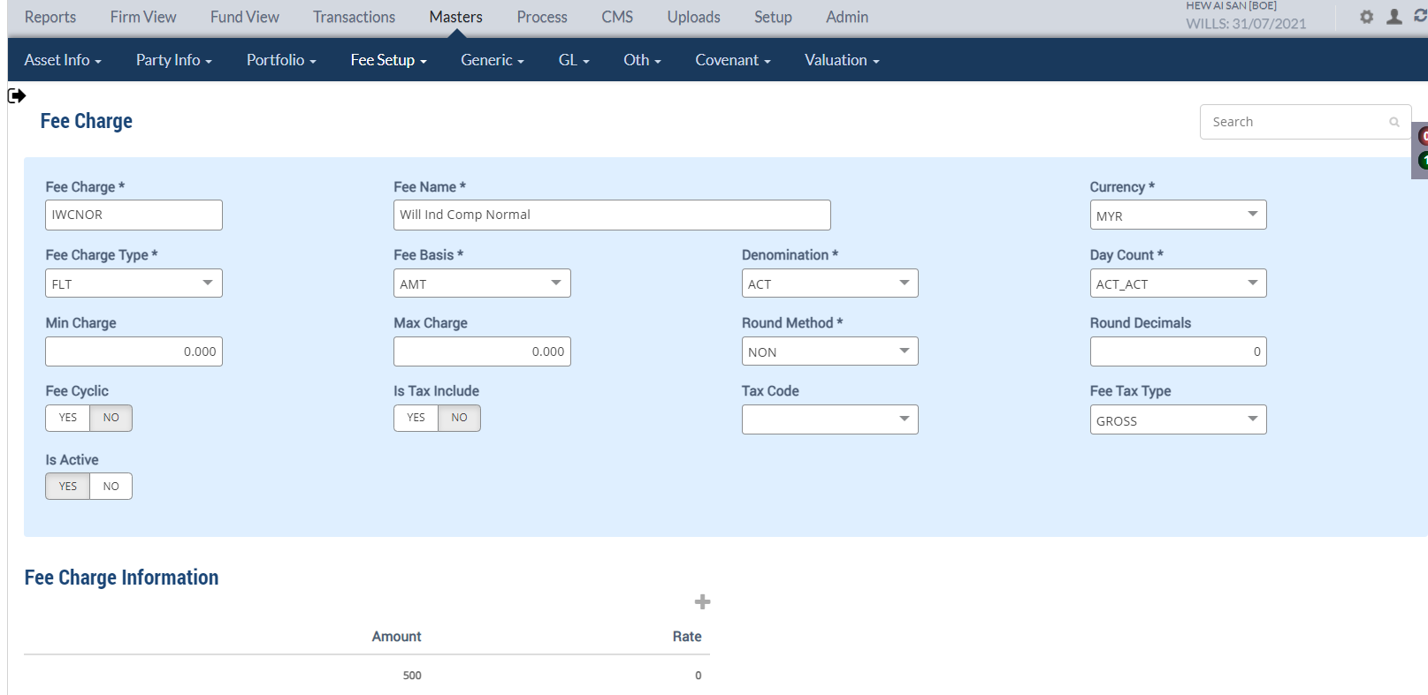

2 | Trade Fee Setup
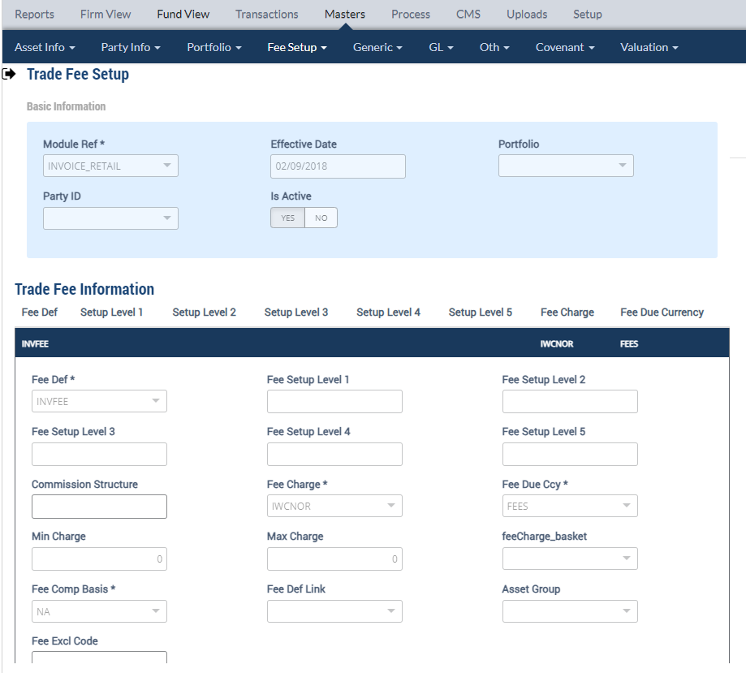

3 | Invoicing/Maintenance
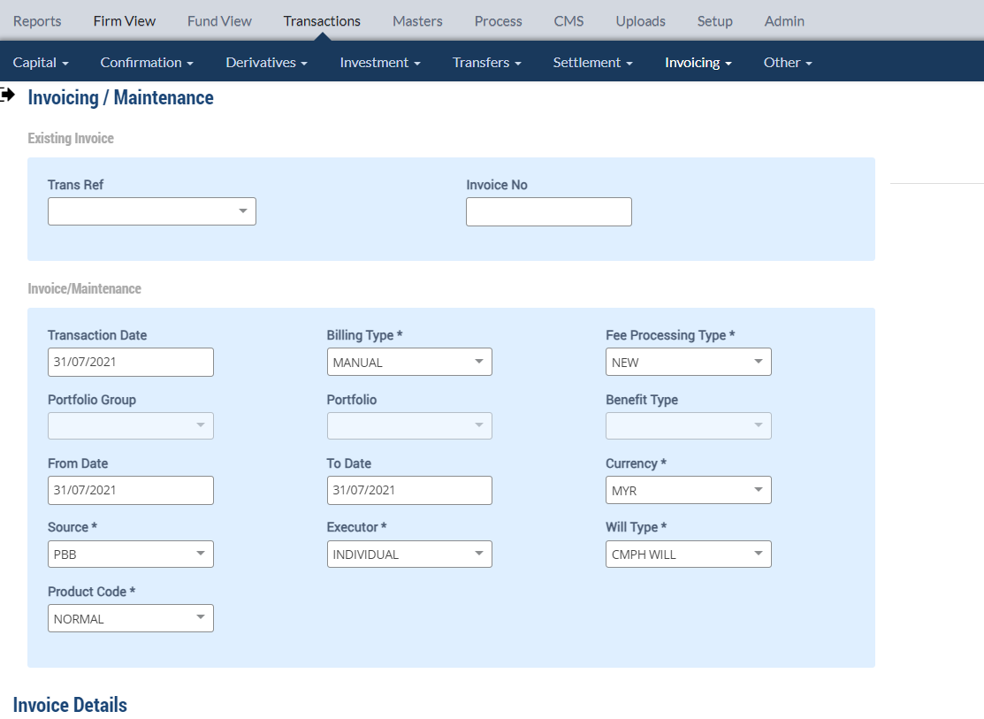

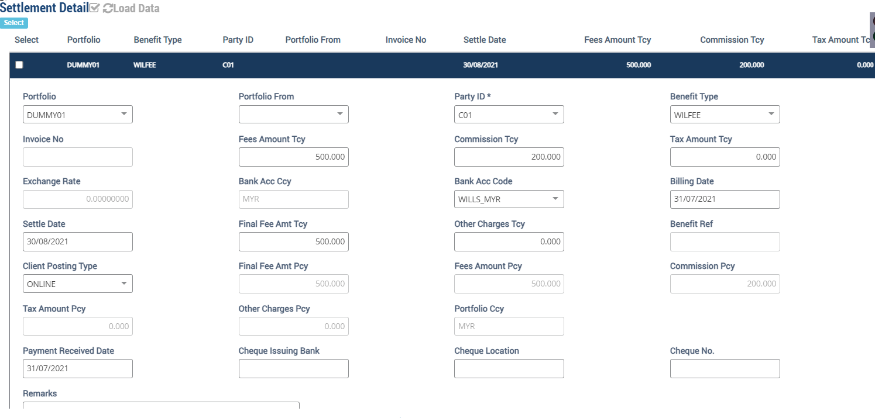

4 | Invoice Listing Report

5 | Bank Transaction Report

